BIRK
 |  |  |  |  | 35 | 36 | 37 | 38 | 39 | 40 | 41 | 42 | 43 | 44 | 45 | 46
Style | Reference | Color | Picture | RRP | 35 | 36 | 37 | 38 | 39 | 40 | 41 | 42 | 43 | 44 | 45 | 46 | TOTAL

Zurich Tech | 1026788 | Antique White | 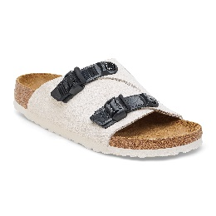 | € 160.00 |  | 2 | 2 | 2 | 3 | 2 | 2 | 3 | 2 | 2 | 2 |  | 22
Kyoto | 1022566 | Black | 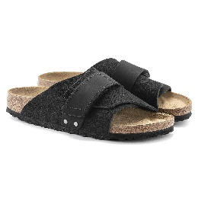 | € 150.00 | 1 | 2 |  | 3 | 1 | 2 | 1 | 1 | 3 | 1 | 1 | 1 | 17
A630 | 10272 | Black | 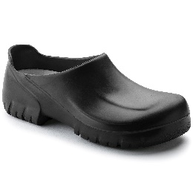 | € 70.00 |  | 1 | 1 | 2 | 2 | 1 | 1 | 2 | 2 | 1 | 1 |  | 14
A630 | 10292 | White | 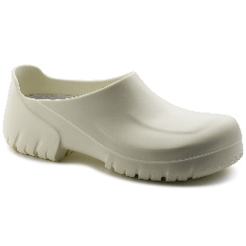 | € 70.00 |  | 1 | 1 | 2 | 2 |  | 1 | 2 | 2 | 1 | 1 |  | 13
Arizona | 1026425 | Saffiano Black |  | € 95.00 |  |  |  |  | 5 | 10 | 15 | 16 | 14 | 7 | 3 | 2 | 72
boston | 860133 | habannah | 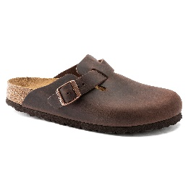 | € 150.00 | 2 | 1 | 3 | 5 | 5 | 4 | 5 | 3 | 2 | 5 | 3 | 2 | 40
boston | 1019108 | faded khaki |  | € 160.00 | 3 | 11 | 14 | 50 | 50 | 24 | 14 | 14 | 15 | 13 | 10 | 5 | 223
london | 1010504 | taupe | 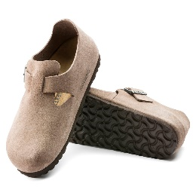 | € 140.00 | 1 | 2 | 1 | 2 | 2 | 1 | 1 | 1 | 2 | 1 | 1 |  | 15
Arizona | 1019088 | faded khaki |  | € 130.00 | 3 | 6 | 15 | 33 | 33 | 16 | 8 | 8 | 8 | 8 | 3 | 1 | 142
Arizona | 1026831 | faded lime | 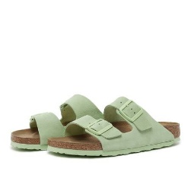 | € 120.00 | 2 | 3 | 4 | 5 | 5 | 2 | 2 |  |  |  |  |  | 23
boston | 59463 | Black |  | € 150.00 | 2 | 3 | 5 | 10 | 10 | 10 | 5 | 5 | 5 | 5 | 3 | 2 | 65
boston | 1024740 | Antique White | 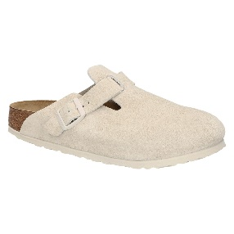 | € 150.00 | 2 | 8 | 10 | 30 | 30 | 15 | 15 | 15 | 15 | 15 | 10 | 5 | 170
super birki | 1027181 | white |  | € 65.00 | 1 | 2 | 3 | 4 | 4 | 4 | 4 | 4 | 4 | 3 | 2 | 1 | 36
super birki | 1027191 | black | 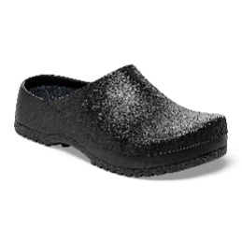 | € 65.00 | 1 | 2 | 3 | 4 | 4 | 4 | 4 | 4 | 4 | 3 | 2 | 1 | 36
uji | 1024822 | Antique White | 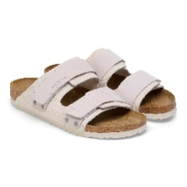 | € 140.00 | 1 | 3 | 5 | 5 | 5 | 3 | 1 |  |  |  |  |  | 23
uji | 1024832 | black | 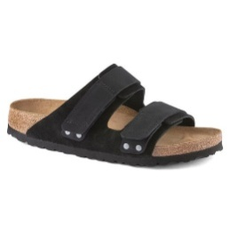 | € 140.00 | 1 | 3 | 5 | 5 | 5 | 3 | 1 |  |  |  |  |  | 23
Zurich Tech | 1026783 | Black | 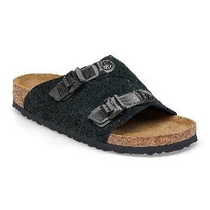 | € 160.00 |  | 2 | 2 | 3 | 2 | 2 | 3 | 3 | 2 | 2 | 2 |  | 23
kyoto | 1024526 | Antique White | 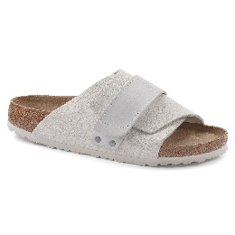 | € 150.00 | 2 | 3 | 3 | 4 | 4 | 2 | 2 |  |  |  |  |  | 20
kyoto lena | 1026560 | New beige | 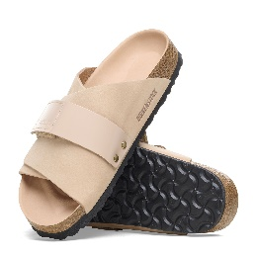 | € 160.00 | 1 | 1 | 3 | 4 | 4 | 3 |  |  |  |  |  |  | 16
kyoto lena | 1026516 | black | 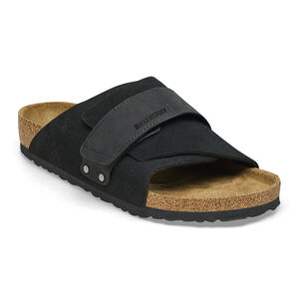 | € 160.00 | 1 | 1 | 3 | 4 | 4 | 3 |  |  |  |  |  |  | 16
Arizona | 1024544 | desert dust thyme |  | € 90.00 |  |  |  |  | 5 | 10 | 15 | 15 | 15 | 10 | 3 | 2 | 75
Arizona | 1026454 | saffiano stone coin |  | € 95.00 |  |  |  |  | 2 | 3 | 5 | 5 | 5 | 3 | 2 |  | 25

 |  |  |  |  |  |  |  |  |  |  |  |  |  |  |  |  | 1109

